script 1
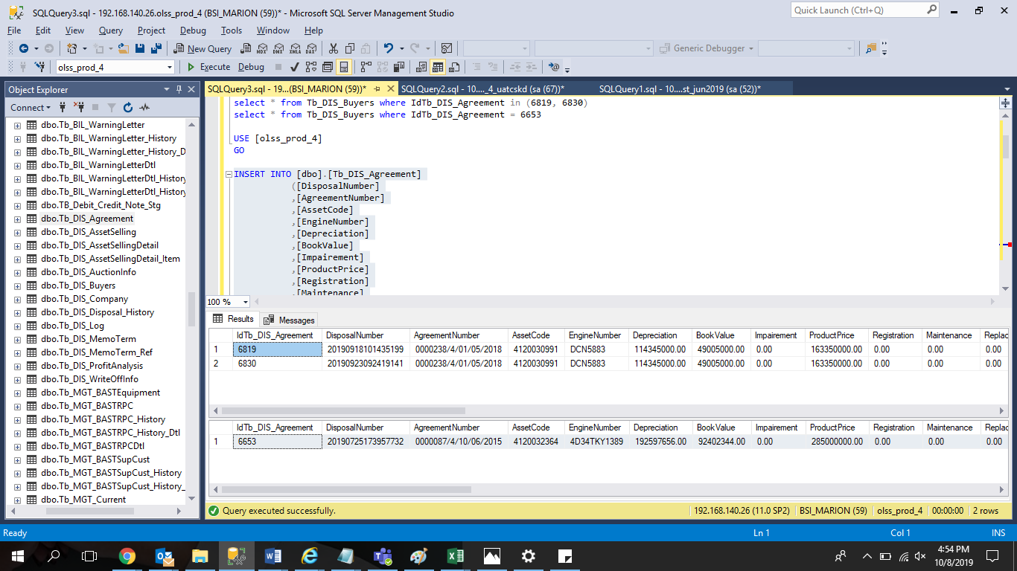
INSERT INTO [dbo].[Tb_DIS_Agreement] | query yang di atas adalah pembanding dengan case yang sama
([DisposalNumber]
,[AgreementNumber]
,[AssetCode]
,[EngineNumber]
,[Depreciation]
,[BookValue]
,[Impairement]
,[ProductPrice]
,[Registration]
,[Maintenance]
,[Replacement]
,[InsuranceCost]
,[MediatorFee]
,[Mobilization]
,[Demobilization]
,[InterestCost]
,[TermOfPaymentCost]
,[InterestCostBeforeBAST]
,[Remarks]
,[CreatedDate]
,[CreatedBy]
,[SyncDate]
,[DeletedDate]
,[DeletedBy]
,[DeletedReason]
,[Payment]
,[PaymentDate]
,[BPKBReleased]
,[BPKBReleasedDate]
,[AssetReleased]
,[AssetReleasedDate]
,[Invalid]
,[InvalidReason]
,[DepreciationDate])
VALUES
('20190913143229313'
,'0000087/4/10/06/2015'
,'4120032364'
,'4D34TKY1389'
,'192597656.00'
,'92402344.00'
,'0.00'
,'285000000.00'
,'0.00'
,'0.00'
,'0.00'
,'0.00'
,'0.00'
,'0.00'
,'0.00'
,'0.00'
,'0.00'
,'0.00'
,NULL
,'2019-09-13'
,'FEDRIK'
,'2019-09-13'
,NULL
,NULL
,NULL
,'0.00'
,NULL
,'0'
,NULL
,'0'
,NULL
,'0'
,''
,'2019-06-04'
GO

script 2
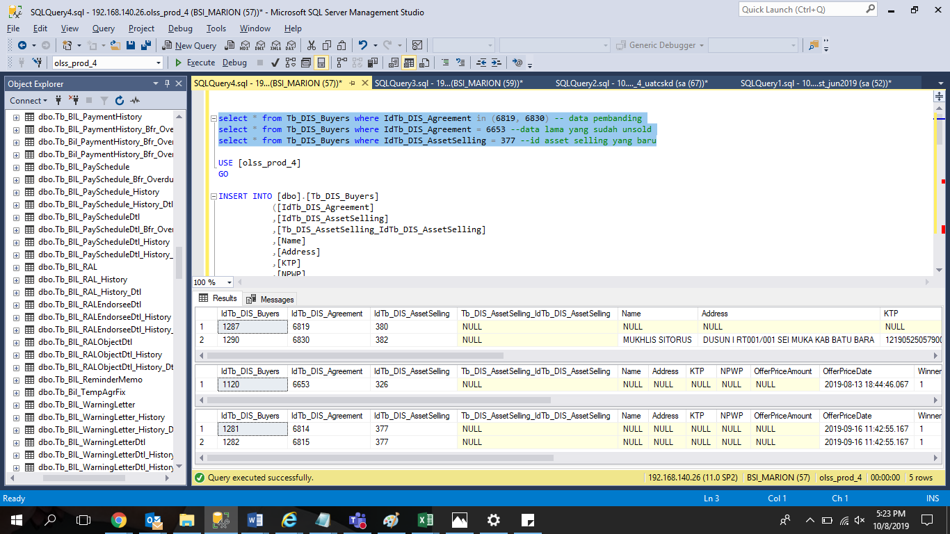
INSERT INTO [dbo].[Tb_DIS_Buyers]
([IdTb_DIS_Agreement]
,[IdTb_DIS_AssetSelling]
,[Tb_DIS_AssetSelling_IdTb_DIS_AssetSelling]
,[Name]
,[Address]
,[KTP]
,[NPWP]
,[OfferPriceAmount]
,[OfferPriceDate]
,[Winner]
,[Remarks]
,[JBAOfferPriceAmount]
,[DSFOfferPriceAmount]
,[MobilisationFee]
,[AuctionFee]
,[AdminFee]
,[Ppn]
,[Pph]
,[UnitLocation]
,[DocumentOwnership]
,[Status]
,[FakturNumber]
,[FakturDate]
,[SellingNumber])
VALUES
(<IdTb_DIS_Agreement, int,>
,377
,NULL
,NULL
,NULL
,NULL
,NULL
,NULL
,'2019-09-16'
,'1'
,NULL
,'190000000.00'
,'210000000.00'
,'0'
,'0'
,'0'
,'0'
,'0'
,'POOL JBA BALIKPAPAN'
,'BPKB'
,NULL
,NULL
,NULL
,'2'
GO

